Adidas
PHOTOS | LOT | REF | Model | PVP | TOTAL | QTY | BABY |  | 17 | 18- | 19 | 19- | 20 | 20- | 21 | 21- | 22 | 22- | 23 | 23- | 24 | 24- | 25 | 25- | 26 | 26- | 27
 |  |  |  |  |  |  | KIDS |  | 28 | 28- | 29 | 30 | 30- | 31 | 31- | 32 | 33 | 33- | 34 | 35 | 35- | 36 | 36.666666667 | 37.333333333 | 38 | 38.666666667 | 39.333333333 | 40
 |  |  |  |  |  |  | REEBOK |  | 36 | 36- | 37 | 37- | 38 | 38- | 39 | 39- | 40 | 40- | 41 | 41- | 42 | 42- | 43 | 43- | 44 | 44- | 45 | 45- | 46 | 47
 |  |  |  |  |  |  | ADULT | EUR | 35 | 36 | 36.666666667 | 37.333333333 | 38 | 38.666666667 | 39.333333333 | 40 | 40.666666667 | 41.333333333 | 42 | 42.666666667 | 43.333333333 | 44 | 44.666666667 | 45.333333333 | 46 | 46.666666667 | 47.333333333 | 48 | 4823 | 4913
 |  |  |  |  |  |  |  | UK |  | 3- | 4 | 4- | 5 | 5- | 6 | 6- | 7 | 7- | 8 | 8- | 9 | 9- | 10 | 10- | 11 | 11- | 12 | 12-
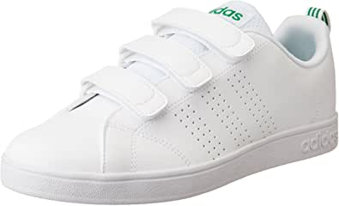 | AD006 | AW5210 | VS ADVANTAGE CLEAN | 75.00 € | 3,000.00 € | 40 | ADULT |  |  |  |  |  |  |  | 2 | 6 | 3 | 15 | 2 | 2 | 10
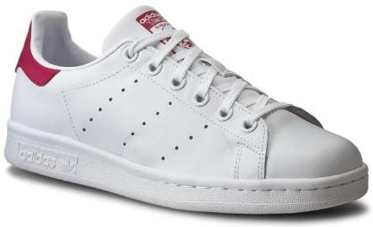 | AD006 | B32703 | STAN SMITH | 70.00 € | 840.00 € | 12 | ADULT |  |  | 2 |  | 1 |  |  |  | 9
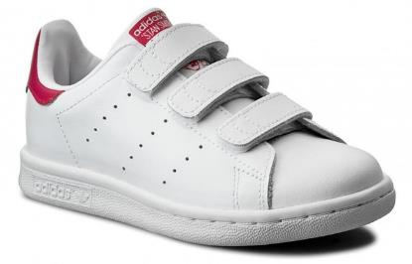 | AD006 | B32706 | STAN SMITH C | 70.00 € | 5,600.00 € | 80 | KIDS |  |  | 6 | 6 | 6 |  | 7 |  | 14 | 13 |  | 14 | 14
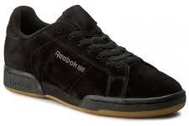 | AD005 | BD4924 | NPC II TG | 90.00 € | 2,880.00 € | 32 | REEBOK |  |  |  |  |  |  |  |  | 5 |  | 1 |  |  | 5 |  | 12 |  |  | 5 |  | 3 |  | 1
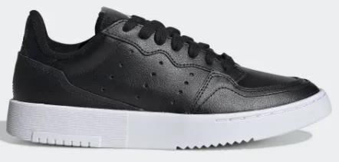 | AD006 | EE7727 | SUPERCOURT | 90.00 € | 5,400.00 € | 60 | ADULT |  | 1 | 5 | 5 | 7 | 7 | 4 | 16 | 15
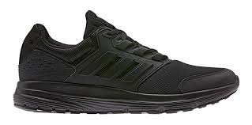 | AD007 | EE7917 | GALAXY 4 | 75.00 € | 4,050.00 € | 54 | ADULT |  |  |  |  |  |  |  |  | 14 | 5 | 14 | 11 |  | 10
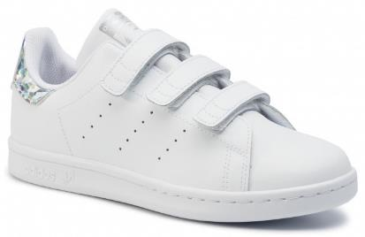 | AD006 | EE8484 | STAN SMITH CF C | 70.00 € | 910.00 € | 13 | KIDS |  |  |  |  |  |  |  |  | 3 | 3 |  | 4 | 3
 | AD007 | EF0212 | ADVANTAGE K | 70.00 € | 29,820.00 € | 426 | ADULT |  |  |  |  |  |  | 45 | 171 | 210
 | AD007 | EF5114 | CONTINENTAL 80 J | 70.00 € | 2,800.00 € | 40 | KIDS |  |  |  |  |  |  |  |  | 7 |  |  |  |  | 1 | 1 | 1 | 3 | 3 | 3 | 11 | 10
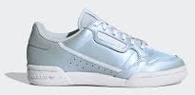 | AD007 | EF5115 | CONTINENTAL 80 J | 70.00 € | 2,800.00 € | 40 | KIDS |  |  |  |  |  |  |  |  | 7 |  |  |  |  |  | 2 | 2 | 3 | 3 | 3 | 10 | 10
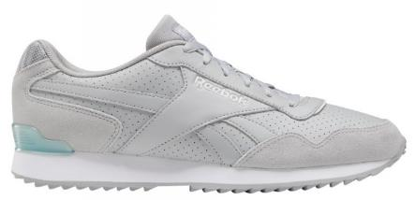 | AD006 | EF7711 | ROYAL GLIDE | 70.00 € | 7,630.00 € | 109 | REEBOK |  |  |  |  |  |  |  | 3 | 6 | 4 | 9 | 23 |  | 21 | 14 | 18 |  | 11
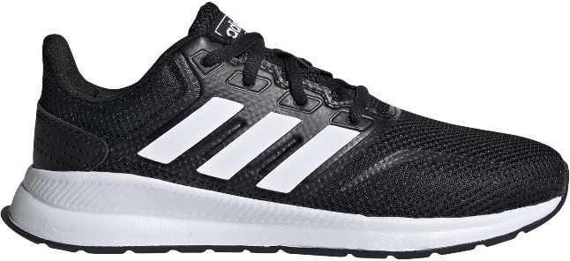 | AD007 | EG2545 | RUNFALCON K | 60.00 € | 6,060.00 € | 101 | ADULT |  |  |  | 7 | 11 | 11 | 21 | 21 | 30
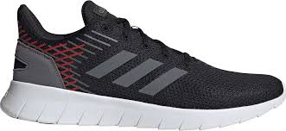 | AD007 | EG3172 | ASWEERUN | 80.00 € | 8,960.00 € | 112 | ADULT |  |  |  |  |  |  |  | 3 | 13 | 9 | 27 | 17 | 10 | 16 | 9 | 3 | 5
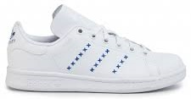 | AD007 | EG6496 | STAN SMITH | 70.00 € | 2,310.00 € | 33 | ADULT |  |  | 3 | 3 | 5 | 5 | 2 | 7 | 8
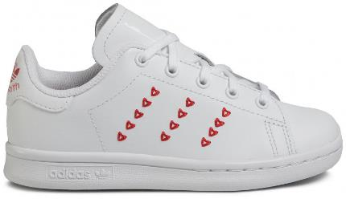 | AD006 | EG6500 | STAN SMITH C | 70.00 € | 3,850.00 € | 55 | KIDS |  |  | 4 | 5 | 7 | 3 | 7 | 2 | 7 | 8 |  | 7 | 5
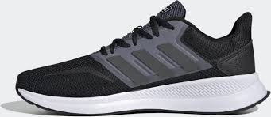 | AD007 | EG8608 | RUNFALCON | 75.00 € | 16,125.00 € | 215 | ADULT |  |  |  |  |  |  |  |  | 34 | 33 | 61 | 47 | 9 | 31
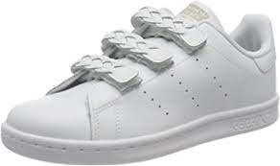 | AD007 | EG9355 | STAN SMITH CF C | 70.00 € | 2,800.00 € | 40 | KIDS |  | 8 | 8 | 4 |  |  |  |  | 4 |  | 8 | 8
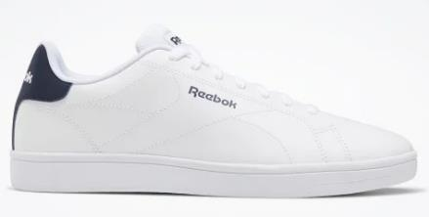 | AD006 | EG9413 | ROYAL COMPLETE | 60.00 € | 1,140.00 € | 19 | REEBOK |  |  |  |  |  |  |  |  | 3 |  | 1 | 4 |  | 4 | 4 | 2 |  | 1
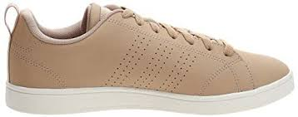 |  | F34441 | VS ADVANTAGE CL | 60.00 € | 4,140.00 € | 69 | ADULT |  |  | 31 | 21 | 8 | 1 | 3 |  | 5
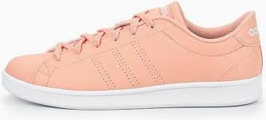 |  | F34708 | ADVANTAGE CLEAN QT | 60.00 € | 960.00 € | 16 | ADULT |  |  | 3 | 3 | 3 | 2 | 2 | 1 | 2
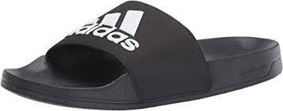 | AD007 | F34770 | ADILETTE SHOWER | 35.00 € | 6,370.00 € | 182 | TONG |  |  |  |  |  |  |  |  | 7 | 47 |  | 47 |  | 47 |  | 23 |  | 11
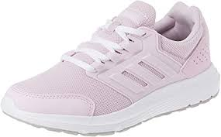 |  | F36178 | GALAXY 4 | 60.00 € | 1,020.00 € | 17 | ADULT |  |  | 8 | 5 | 2 |  |  | 1 | 1
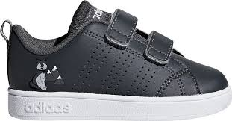 |  | F36372 | VS ADV CL CMF INF | 45.00 € | 990.00 € | 22 | BABY |  |  |  | 1 |  | 3 |  | 3 |  | 2 |  | 1 | 2 | 5 |  | 3 | 2
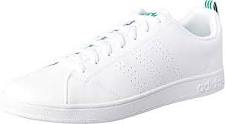 |  | F99251 | VS ADVANTAGE CLEAN M | 70.00 € | 1,470.00 € | 21 | ADULT |  |  |  |  |  |  |  |  |  |  |  |  |  |  |  | 17 |  | 4
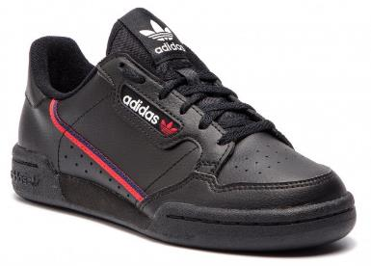 | AD006 | F99786 | CONTINENTAL 80 | 80.00 € | 2,640.00 € | 33 | ADULT |  |  | 3 | 3 | 7 | 7 | 3 | 4 | 6
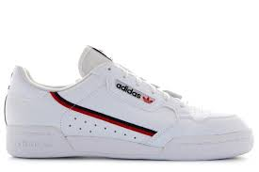 | AD007 | F99787 | CONTINENTAL 80 OG | 90.00 € | 2,790.00 € | 31 | ADULT |  |  | 5 | 3 | 7 | 7 | 5 | 2 | 2
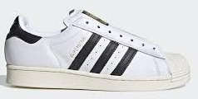 | AD007 | FV3017 | SUPERSTAR | 100.00 € | 2,100.00 € | 21 | ADULT |  |  |  |  |  |  |  |  |  | 2 | 3 | 4 | 3 | 2 | 4 | 1 | 1 | 1
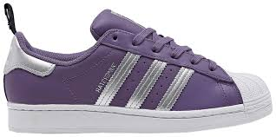 | AD007 | FV3631 | SUPERSTAR W | 90.00 € | 2,520.00 € | 28 | ADULT |  |  |  | 3 | 3 | 5 | 5 | 5 | 4 | 2 | 1
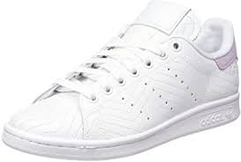 | AD007 | FV4067 | STAN SMITH W | 90.00 € | 1,530.00 € | 17 | ADULT |  |  |  | 2 | 1 | 5 | 4 | 3 | 1 | 1
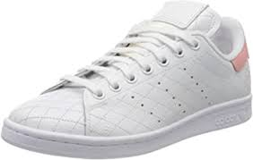 | AD007 | FV4070 | STAN SMITH W | 90.00 € | 1,800.00 € | 20 | ADULT |  |  |  | 1 | 1 | 5 | 6 | 3 | 2 | 1 | 1
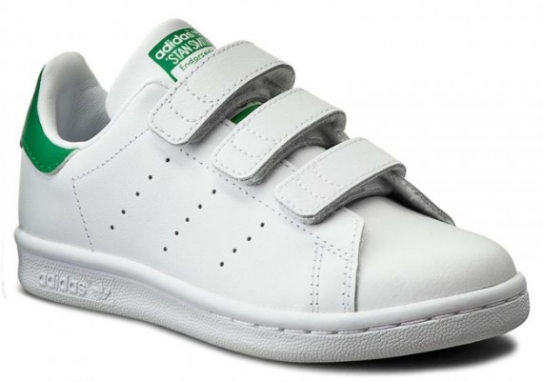 | AD007 | M20607 | STAN SMITH C | 70.00 € | 3,360.00 € | 48 | KIDS |  | 4 | 4 | 4 |  | 4 |  | 8 | 8 |  | 8 | 8
 |  |  | TOTAL | 69.13 € | 138,665.00 € | 2006

